Sheet1
Hangman 400
May 18th
Organizer: Andy Reimer
Start : 9677 King George Hwy (Knight & Day Restaurant)
Finish : 9677 King George Hwy (Knight & Day Restaurant)
Dist.(cum.) | Turn | Direction | Route Description | Dist.(int.)
0.0 |  |  | START - SURREY Knight & Day Restaurant
0.0 | R | S | King George Hwy | 20.6
20.6 | BR | S | Roundabout - Take 2nd exit onto Hwy 99 | 2.3
22.9 | CO | S | US Border Crossing (then take path) | 0.2
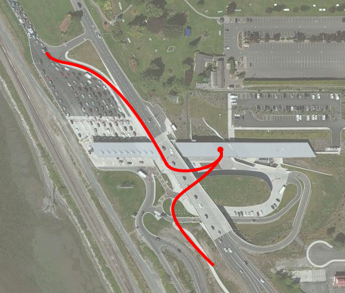
23.1 | R | S | Peace Portal Drive | 3.2
26.3 | R | S | Wa-548 / Bell Rd | 2.5
28.8 | BR | S | Blaine Rd (cross the bridge) | 5.4
34.2 | L | E | Bay Road (becomes Vista Drive) | 14.0
48.2 | R | S | 2nd Ave | 0.1
48.3 | L | E | Main St | 0.4
48.7 | R | SE | Hovander Rd | 1.6
50.3 | CO | E | Smith Rd | 2.5
52.8 | R | SE | Northwest Rd | 8.6
61.4 | BR | S | Elm Rd | 0.6
61.9 | CO | SW | Dupont St (becomes Prospect St) | 1.1
63.1 | R | SE | Bay St | 0.1
63.2 |  |  | CONTROL #1 BELLINGHAM Rocket Donuts
63.2 | CO | SE | Bay St | 0.1
63.3 | L | SW | Chestnut | 0.4
63.7 | R | SE | N State / Boulevard / S State / Finnegan Way / 12 St | 4.3
67.9 | BL | S | Chuckanut Dr | 20.8
88.7 | R | W | W Bow Hill Rd (becomes Main St) | 1.5
90.1 | BR | W | Mctaggart Ave | 0.3
90.4 | L | S | Cains Ct (becomes Farm to Market Rd) | 1.0
FUEL: Slough Food, Bread Farm, Farm to Market Bakery, & Tweets are all good places to get some food if so inclined
91.4 | R | SW | Bayview Edison Rd | 1.3
92.7 | L | S | Bayview Edison Rd | 1.0
93.7 | L | S | Bayview Edison Rd | 13.1
106.8 | R | E | Route 20 / Memorial Hwy | 4.2
111.0 | R | N | South March Rd | 0.1
111.1 | L | NW | South March Rd | 3.8
114.9 | R | N | Marches Point Rd | 1.5
116.4 | L | E | Tommy Thompson Trail (watch for broken shells) | 3.2
119.6 | L | W | 34th St | 0.7
120.3 | R | N | Commercial Ave | 0.2
120.5 |  |  | CONTROL #2 ANACORTES Rosario Market second building past 32nd Street
120.5 | R | W | 32nd St | 1.4
121.9 | L | S | D Ave / 37th St / A Ave / Havekost / Marine Dr | 5.6
127.5 | BR | SW | Rosario Rd | 5.4
132.9 | R | SW | Route 20 / Deception Pass Bridge | 14.0
146.9 | BL | S | Regatta Rd (stay right at fork) | 3.4
150.3 | R | W | Pioneer Way | 0.6
150.9 | L | S | Bayshore Dr | 0.8
151.7 | R | N | City Beach St | 0.1
151.8 | L | W | Pioneer Way | 1.3
153.1 | CO | S | Route 20 | 8.6
161.7 | L | S | Madrona Way | 5.1
166.8 | BR | E | Coveland | 0.3
167.1 | L | N | Main St | 0.1
167.2 | R | W | NE 9th St | 0.8
168.0 | CO | NE | NE Leach St | 0.1
168.1 | BL | E | Parker Rd | 4.1
172.2 | CO | S | Route 20 / WA-525 | 30.3
 | FUEL: Greenbank Store @ 185km
202.5 | R | S | Bayview Rd | 2.9
205.4 | CO | E | Ewing Rd | 0.7
206.1 | R | S | Sills Rd | 3.0
209.1 | CO | SE | French Rd | 0.6
209.7 | R | S | Baily Rd | 3.6
213.3 | R | SE | Cultus Bay Rd | 1.5
214.8 | CO | E | Possession Rd | 0.4
215.2 | BR | S | S Possession Rd | 2.3
217.5 |  |  | CONTROL #3 SOUTH WHIDBEY Possession Beach Waterfront Park Volunteer Supported
217.5 | TB | SW | S Possession Rd | 2.3
219.8 | CO | W | Possession Rd | 0.4
220.2 | CO | N | Cultus Bay Rd | 5.1
225.3 | R | E | Deer Lake Rd | 1.2
 | Note: downhill from here to ferry
226.5 | L | N | Deer Lake Rd | 2.5
229.0 | R | E | WA-525 | 0.9
229.9 | Ferry Crossing: Departs every 30 minutes on hour and 1/2 hour (vending machines,water fountains and restrooms on board)
229.9 | CO | S | Mukilteo Speedway | 0.6
230.5 | L | E | 5th St / Mukilteo Blvd | 8.0
238.5 | R | E | 41st St | 0.9
239.4 | L | E | Take exit to Broadway
 | OR
239.4 | BR | E | Path towards Broadway (do not take overpass) | 0.3
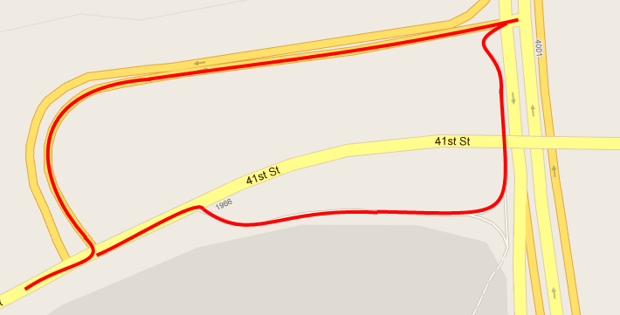
239.7 | L | N | Broadway / Pacific Hwy / State Ave / Smokey Point Rd | 25.7
251.0 | CONSTRUCTION: Flag person will assist you through the construction zone
255.5 | CAUTION: Railway crossing @ dangerous angle to road
265.4 | L | W | WA-530 Pioneer Hwy (Go towards I-5 by staying left at fork in road) | 27.4
292.8 | L | NW | Fir Island Rd | 0.1
292.9 | R | NE | Conway Frontage Road / Old Hwy 99 / S 2nd St / N 4th St / Riverside Dr | 11.0
303.9 |  |  | CONTROL # 4 MOUNT VERNON Safeway (24hrs) Microwave, water and counters near the deli on the far right of the entrance
303.9 | L | N | Riverside Dr / S Burlington Blvd / N Burlington Blvd | 5.4
309.3 | BR | NW | Cuckanut Drive (roundabout) | 0.3
309.6 | BR | N | Chuckanut Drive (another roundabout) | 31.7
341.3 | BR | N | 12th / Finnegan Way / 11th / S State St / Boulevard | 3.6
344.9 | CO | W | N Forest St | 0.8
345.7 | L | NW | Holly St | 0.6
346.3 | R | NE | Bay St | 0.1
346.4 | BL | N | Prospect St | 0.3
346.7 | L | NW | Dupont St | 0.7
347.4 | CO | N | Elm St | 0.6
348.0 | BL | NW | Northeast Ave | 8.6
356.6 | L | W | W Smith Rd | 2.4
359.0 | R | N | Hovander Rd | 1.6
360.6 | L | E | Main St | 0.5
361.1 | R | N | 2nd Ave | 0.1
361.2 | L | E | Vista Dr / Bay Rd | 14.1
375.3 | R | N | Blaine Rd | 7.8
383.1 | L | NW | Peace Portal Dr | 3.7
386.8 | R | N | I-5 (go through first roundabout and enter I-5 in second roundabout) | 0.3
387.1 |  |  | Border Crossing
387.1 | CO | N | Hwy 99 | 0.9
388.0 | R | W | 8th Ave (take exit) | 0.6
388.6 | L | N | King George Blvd | 21.2
409.8 |  |  | FINISH CONTROL - SURREY Knight & Day Restaurant
 |  |  | IN CASE OF ABANDONMENT OR EMERGENCY
 |  |  | PHONE: 778-886-7277

